2023-12-04 15-28-49 - regulariz
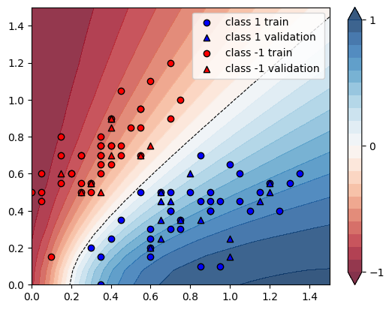
 |  | Regularisation
 |  | Without |  | With1 | str1 |  | With2 | str1/2
X | Y | pred | guess | pred | guess |  | pred | guess
[0.35 0.7 ] | -1 | 0.2115 | Ok | 0.0889 | Ok | 0.579669031 | 0.0889 | Ok | 0.57966903073
[1.2 0.55] | 1 | 0.8132 | Ok | 0.6822 | Ok | -0.161091982 | 0.6822 | Ok | -0.16109198229
[0.2 0.6] | -1 | 0.1231 | Ok | 0.0104 | Ok | 0.915515841 | 0.0104 | Ok | 0.91551584078
[0.7 0.4] | 1 | 0.728 | Ok | 0.5996 | Ok | -0.176373626 | 0.5996 | Ok | -0.17637362637
[1.15 0.5 ] | 1 | 0.8279 | Ok | 0.6953 | Ok | -0.160164271 | 0.6953 | Ok | -0.16016427105
[0.35 0.15] | 1 | 0.6794 | Ok | 0.6774 | Ok | -0.002943774 | 0.6774 | Ok | -0.0029437739182
[0.55 0.95] | -1 | 0.2536 | Ok | 0.1358 | Ok | 0.464511041 | 0.1358 | Ok | 0.46451104101
[0.9 0.4] | 1 | 0.8168 | Ok | 0.6837 | Ok | -0.162952987 | 0.6837 | Ok | -0.16295298727
[1.1 0.4] | 1 | 0.8704 | Ok | 0.7359 | Ok | -0.154526654 | 0.7359 | Ok | -0.15452665441
[0.7 0.5] | 1 | 0.6436 | Ok | 0.5139 | Ok | -0.201522685 | 0.5139 | Ok | -0.2015226849
[0.6 0.15] | 1 | 0.878 | Ok | 0.7832 | Ok | -0.107972665 | 0.7832 | Ok | -0.10797266515
[0.75 0.3 ] | 1 | 0.8327 | Ok | 0.7059 | Ok | -0.15227573 | 0.7059 | Ok | -0.15227572955
[0.85 0.45] | 1 | 0.7625 | Ok | 0.6302 | Ok | -0.173508197 | 0.6302 | Ok | -0.17350819672
[0. 0.5] | -1 | 0.0234 | Ok | -0.0516 | Ok | 3.205128205 | -0.0516 | Ok | 3.2051282051
[0.35 0.7 ] | -1 | 0.2115 | Ok | 0.0889 | Ok | 0.579669031 | 0.0889 | Ok | 0.57966903073
[0.25 0.55] | -1 | 0.1887 | Ok | 0.0779 | Ok | 0.587175411 | 0.0779 | Ok | 0.5871754107
[0.15 0.8 ] | -1 | 0.0534 | Ok | -0.0669 | Ok | 2.252808989 | -0.0669 | Ok | 2.2528089888
[0.25 0.7 ] | -1 | 0.1316 | Ok | 0.0113 | Ok | 0.914133739 | 0.0113 | Ok | 0.9141337386
[0.6 1.1] | -1 | 0.2304 | Ok | 0.1186 | Ok | 0.485243056 | 0.1186 | Ok | 0.48524305556
[0.05 0.45] | -1 | 0.0467 | Ok | -0.0154 | Ok | 1.329764454 | -0.0154 | Ok | 1.329764454
[0.35 0.75] | -1 | 0.1908 | Ok | 0.0682 | Ok | 0.642557652 | 0.0682 | Ok | 0.64255765199
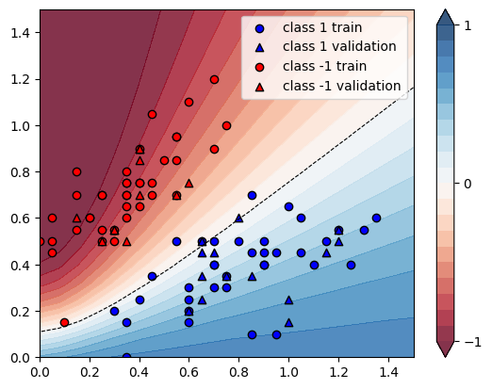
[0.85 0.1 ] | 1 | 0.9664 | Ok | 0.846 | Ok | -0.124586093 | 0.846 | Ok | -0.12458609272
[0.15 0.55] | -1 | 0.097 | Ok | -0.0057 | Ok | 1.058762887 | -0.0057 | Ok | 1.0587628866
[0.9 0.4] | 1 | 0.8168 | Ok | 0.6837 | Ok | -0.162952987 | 0.6837 | Ok | -0.16295298727
[0.25 0.5 ] | -1 | 0.2146 | Ok | 0.1107 | Ok | 0.48415657 | 0.1107 | Ok | 0.48415657036
[0.5 0.85] | -1 | 0.2612 | Ok | 0.1399 | Ok | 0.4643951 | 0.1399 | Ok | 0.46439509954
[0.15 0.7 ] | -1 | 0.0665 | Ok | -0.051 | Ok | 1.766917293 | -0.051 | Ok | 1.7669172932
[0.7 0.4] | 1 | 0.728 | Ok | 0.5996 | Ok | -0.176373626 | 0.5996 | Ok | -0.17637362637
[0.75 0.35] | 1 | 0.7945 | Ok | 0.6657 | Ok | -0.162114537 | 0.6657 | Ok | -0.16211453744
[1.25 0.4 ] | 1 | 0.8969 | Ok | 0.7623 | Ok | -0.150072472 | 0.7623 | Ok | -0.15007247185
[0.35 0. ] | 1 | 0.7709 | Ok | 0.8606 | Ok | 0.116357504 | 0.8606 | Ok | 0.11635750422
[0.6 0.2] | 1 | 0.8421 | Ok | 0.739 | Ok | -0.122432015 | 0.739 | Ok | -0.1224320152
[0.6 0.3] | 1 | 0.7563 | Ok | 0.6404 | Ok | -0.153246066 | 0.6404 | Ok | -0.15324606638
[0.95 0.1 ] | 1 | 0.9776 | Ok | 0.8509 | Ok | -0.12960311 | 0.8509 | Ok | -0.12960310966
[1.05 0.6 ] | 1 | 0.7396 | Ok | 0.6098 | Ok | -0.17550027 | 0.6098 | Ok | -0.17550027042
[0.45 0.75] | -1 | 0.2701 | Ok | 0.1465 | Ok | 0.457608293 | 0.1465 | Ok | 0.45760829322
[0.7 0.9] | -1 | 0.3729 | Ok | 0.2537 | Ok | 0.319656744 | 0.2537 | Ok | 0.31965674444
[1. 0.65] | 1 | 0.689 | Ok | 0.5608 | Ok | -0.186066763 | 0.5608 | Ok | -0.18606676343
[0.9 0.45] | 1 | 0.7826 | Ok | 0.6498 | Ok | -0.169690774 | 0.6498 | Ok | -0.16969077434
[1.05 0.45] | 1 | 0.8306 | Ok | 0.697 | Ok | -0.16084758 | 0.697 | Ok | -0.16084758006
[0.3 0.5] | -1 | 0.2713 | Ok | 0.1624 | Ok | 0.401400663 | 0.1624 | Ok | 0.40140066347
[0.8 0.5] | 1 | 0.7013 | Ok | 0.57 | Ok | -0.187223727 | 0.57 | Ok | -0.18722372736
[0.05 0.6 ] | -1 | 0.0317 | Ok | -0.0716 | Ok | 3.258675079 | -0.0716 | Ok | 3.2586750789
[0.1 0.15] | -1 | 0.2135 | Ok | 0.4535 | Ok | -1.12412178 | 0.4535 | Ok | -1.1241217799
[0.35 0.8 ] | -1 | 0.1727 | Ok | 0.0506 | Ok | 0.707006369 | 0.0506 | Ok | 0.70700636943
[0.7 1.2] | -1 | 0.2518 | Ok | 0.1445 | Ok | 0.426131851 | 0.1445 | Ok | 0.42613185068
[0.4 0.75] | -1 | 0.2301 | Ok | 0.107 | Ok | 0.534984789 | 0.107 | Ok | 0.53498478922
[0.35 0.75] | -1 | 0.1908 | Ok | 0.0682 | Ok | 0.642557652 | 0.0682 | Ok | 0.64255765199
[0.05 0.5 ] | -1 | 0.0406 | Ok | -0.04 | Ok | 1.985221675 | -0.04 | Ok | 1.9852216749
[0.55 0.95] | -1 | 0.2536 | Ok | 0.1358 | Ok | 0.464511041 | 0.1358 | Ok | 0.46451104101
[0.9 0.5] | 1 | 0.7477 | Ok | 0.6155 | Ok | -0.176808881 | 0.6155 | Ok | -0.17680888057
[0.45 0.35] | 1 | 0.5804 | Ok | 0.4761 | Error | -0.179703653 | 0.4761 | Error | -0.17970365265
[0.4 0.75] | -1 | 0.2301 | Ok | 0.107 | Ok | 0.534984789 | 0.107 | Ok | 0.53498478922
[0.3 0.55] | -1 | 0.2403 | Ok | 0.1259 | Ok | 0.476071577 | 0.1259 | Ok | 0.4760715772
[0.45 0.7 ] | -1 | 0.2965 | Ok | 0.1722 | Ok | 0.419224283 | 0.1722 | Ok | 0.41922428331
[1.35 0.6 ] | 1 | 0.8221 | Ok | 0.6931 | Ok | -0.156915217 | 0.6931 | Ok | -0.15691521713
[0.25 0.7 ] | -1 | 0.1316 | Ok | 0.0113 | Ok | 0.914133739 | 0.0113 | Ok | 0.9141337386
[0.35 0.6 ] | -1 | 0.2622 | Ok | 0.1418 | Ok | 0.459191457 | 0.1418 | Ok | 0.4591914569
[0.4 0.65] | -1 | 0.2807 | Ok | 0.1574 | Ok | 0.439258995 | 0.1574 | Ok | 0.43925899537
[1.3 0.55] | 1 | 0.8357 | Ok | 0.7049 | Ok | -0.156515496 | 0.7049 | Ok | -0.15651549599
[0.55 0.85] | -1 | 0.2967 | Ok | 0.1754 | Ok | 0.408830468 | 0.1754 | Ok | 0.40883046849
[0.55 0.7 ] | -1 | 0.3795 | Ok | 0.2541 | Ok | 0.330434783 | 0.2541 | Ok | 0.33043478261
[0.65 0.5 ] | 1 | 0.6098 | Ok | 0.4812 | Error | -0.210888816 | 0.4812 | Error | -0.21088881601
[0.3 0.2] | 1 | 0.5551 | Ok | 0.5531 | Ok | -0.003602954 | 0.5531 | Ok | -0.0036029544226
[0.7 0.3] | 1 | 0.8112 | Ok | 0.6872 | Ok | -0.152859961 | 0.6872 | Ok | -0.15285996055
[0.85 0.7 ] | 1 | 0.5839 | Ok | 0.4573 | Error | -0.216817948 | 0.4573 | Error | -0.21681794828
[0.45 1.05] | -1 | 0.1619 | Ok | 0.047 | Ok | 0.709697344 | 0.047 | Ok | 0.70969734404
[0.55 0.5 ] | 1 | 0.531 | Ok | 0.4056 | Error | -0.236158192 | 0.4056 | Error | -0.23615819209
[0.75 1. ] | -1 | 0.3553 | Ok | 0.2404 | Ok | 0.323388686 | 0.2404 | Ok | 0.32338868562
[0.6 0.25] | 1 | 0.801 | Ok | 0.6908 | Ok | -0.137578027 | 0.6908 | Ok | -0.13757802747
[0.4 0.9] | -1 | 0.1742 | Ok | 0.0543 | Ok | 0.688289323 | 0.0543 | Ok | 0.68828932262
[0.2 0.6] | -1 | 0.1231 | Ok | 0.0104 | Ok | 0.915515841 | 0.0104 | Ok | 0.91551584078
[0.35 0.65] | -1 | 0.2351 | Ok | 0.1132 | Ok | 0.518502765 | 0.1132 | Ok | 0.51850276478
[0.95 0.45] | 1 | 0.8004 | Ok | 0.6673 | Ok | -0.166291854 | 0.6673 | Ok | -0.16629185407
[0.4 0.25] | 1 | 0.6339 | Ok | 0.5646 | Ok | -0.109323237 | 0.5646 | Ok | -0.1093232371
 |  |  |  |  | AVG | 0.341872205 |  | AVG | 0.34187220531

